1. Title Page
Basket Analysis

Project Name: Basket Analysis
Date: 8/21/2022
Analyst Name: Phil Romano

Contents:
Population Flow
Consistency checks
Wrangling steps
Column derivations
Visualizations
Recommendations

2. Population Flow
Title page

Population flow

Exclusion flag
Condition: max_order <
Obervations to be removed:
Final total count of order_products_all:

Orders_products_combined
Orders_products_merged
Orders_products_all

Total: 32404859
Total: 32404859
Total: 30959687

1.) The grey boxes in the first row of the population flow represent the original data sets as they were when you downloaded them. In the Total fields you need to add the count of the rows when you imported the data set into Jupyter.
2.) The second row of boxes (coloured) represents the data sets after you manipulated them, e.g., removed missing values and duplicates. In the Total fields you need to add the count of the rows after conducting these operations. This offers a visual oveview of how the data flows throughout the data consistency checks.
3.) The third row, where also the arrows are coloured, represents the merges you performed between the datasets. In the Total fields you need to add the count of the rows in the merged datasets, so that you end up with the final dataset (in the red box). Keep in mind the final dataset should be without exclusions (based on the exclusion flag).

3. Consistency checks
 |  |  |  | Title page
Consistency checks

Dataset | Missing values | Missing values treatment | Duplicates
orders | 206209 | Imputed "0"
products |  |  | 5
orders_products_prior
customers

4. Wrangling steps
 |  |  |  | Title page
Wrangling steps

Columns dropped | Columns renamed | Columns' type changed | Comment/Reason
Unnamed: 0.1' | First Name |  | Unnecessary column as a result of merge
Unnamed 0_x' | Surnam |  | Unnecessary column as a result of merge
Unnamed: 0_y' | STATE |  | Unnecessary column as a result of merge
_merge' | Gender |  | Unnecessary column as a result of merge
first_name | Age |  | Personally identifiable information
last_name |  |  | Personally identifiable information

5. Column derivations
 |  |  |  | Title page

Column derivations and aggregations

In this tab you should add tables below that the frequences of flags/label variables that you produced after deriving them. NB: don't do this for continuous variables, only for flags.
Dataset | New column | Column/s it was derived from | Conditions
df_ords_prods_cust5 | region | state
df_ords_prods_cust5 | low-volume | max_order | Max order < 5
df_ords_prods_cust5 | age_flag | age | Age < 35, Age >= 35 <= 55, Age >55
df_ords_prods_cust5 | income_flag | income | Income < 55000, Income >= 55000, <=100000, Income > 100000
df_ords_prods_cust5 | dependants_flag | n_dependants | Dependants < 1, Depedants >= 1, <= 3, Depedants > 3
df_ords_prods_cust5 | baby_flag | department_id | department_id == 18
df_ords_prods_cust5 | vegan_flag | department_id | department_id == 12, 20, 2, 15, 16
df_ords_prods_cust5 | loyalty_flag | days_since_prior_order | days_since_prior_order < 6, >=6 & <=10, >10

7. Recommendations
 |  |  |  |  |  |  |  |  |  |  | Title page

Recommendations

In this tab you should include any recommendations you would made to Instcart in terms of their marketing strategy based on the questions posed in the brief. Every key question has been covered in the Tasks of the Exercises - here you need to add an item - a visualisation or table/crosstable that is showing the answer in the data, acompanied by a comment from you. Please, list the questions below and add the answer underneath.

Question | Answer
Busiest day of the week and hour of the day? | The busiest day of the week is Friday. |  |  |  |  |  |  |  | Prices also tend to spike earlier in the morning and drop dramatically
 | In addition, the busiest hour of the day is around 6:00 AM. |  |  |  |  |  |  |  | around 10AM. They level off and remain consistent
 |  |  |  |  |  |  |  |  | after noon.

 | Orders by day of week |  |  |  | Transactions by hour of day (24H) |  |  |  |  | Prices by hour of day
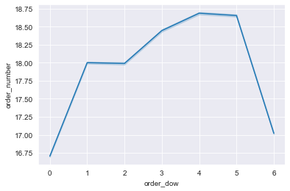
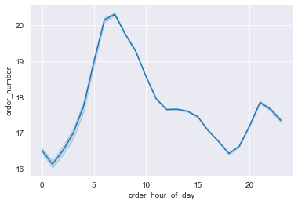
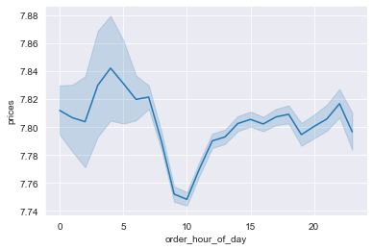

Are certain products more popular than others? | The most popular products in terms of average number of orders are items in the alcohol category, followed by items in the babies category
 | and bakery. The least popular products are in pets, produce, and snacks.

 | department | order_number
 |  | mean | min | max
 | alcohol | 24.281327 | 1 | 99
 | babies | 20.797555 | 1 | 99
 | bakery | 19.86709 | 1 | 99
 | beverages | 18.49573 | 1 | 99
 | breakfast | 18.326914 | 1 | 99
 | bulk | 18.096481 | 1 | 99
 | canned goods | 17.901479 | 1 | 99
 | dairy eggs | 17.856619 | 1 | 99
 | deli | 17.830354 | 1 | 99
 | dry goods pasta | 17.469987 | 1 | 99
 | frozen | 17.328319 | 1 | 99
 | household | 17.174694 | 1 | 99
 | international | 17.144802 | 1 | 99
 | meat seafood | 16.933858 | 1 | 99
 | missing | 16.933392 | 1 | 99
 | other | 16.633019 | 1 | 99
 | pantry | 16.57691 | 1 | 99
 | personal care | 16.438914 | 1 | 99
 | pets | 16.160739 | 1 | 99
 | produce | 16.034226 | 1 | 99
 | snacks | 15.995927 | 1 | 99

How often do customers return? | Customers, on average, return every 10.1 days, with lower-income individuals returning slightly less frequently.
Differences in ordering habits based on loyalty? | The age of the customer does not appear to impact the frequency of orders.

 | income_flag | days_since_prior_order |  |  | age_flag | days_since_prior_order
 |  | mean | min | max |  | mean | min | max
 | High-income | 10.196196 | 0 | 30 | Middle | 10.228584 | 0 | 30
 | Low-income | 10.499214 | 0 | 30 | Old | 10.222984 | 0 | 30
 | Middle | 10.172103 | 0 | 30 | Young | 10.243146 | 0 | 30

 | Furthermore, spending habits do not change based on loyalty.

 | loyalty_flag | prices |  |  | loyalty_flag | order_number
 |  | mean | min | max |  | mean | min | max
 | Average Loyalty | 7.783823 | 1 | 25 | Average Loyalty | 18.697308 | 2 | 99
 | High loyalty | 7.791221 | 1 | 25 | High loyalty | 23.267639 | 1 | 99
 | Poor loyalty | 7.796333 | 1 | 25 | Poor loyalty | 11.612456 | 2 | 99

 | However, there is a stark difference in average order frequency based on customers' days since prior order.
 | Our most loyal customers, on average, frequent us more than double our least loyal customers.

Differences in ordering habits based on region? | On average, spending habits did not change based on region, nor did frequency of orders.
 | region | prices |  |  | region | order_number
 |  | mean | min | max |  | mean | min | max
 | Midwest | 7.792318 | 1 | 25 | Midwest | 17.603226 | 1 | 99
 | Northeast | 7.781441 | 1 | 25 | Northeast | 17.922149 | 1 | 99
 | South | 7.794439 | 1 | 25 | South | 17.844695 | 1 | 99
 | West | 7.790308 | 1 | 25 | West | 17.972411 | 1 | 99

Age and family status and ordering habits? | Overall, a plurality of our customers is high-income and older.

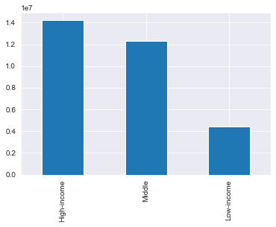
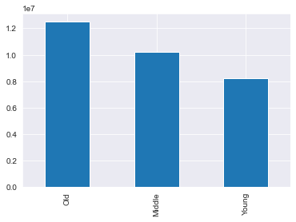

 |  |  |  |  |  | Orders by day of week by age_flag |  |  |  | Orders by hour of day by age_flag
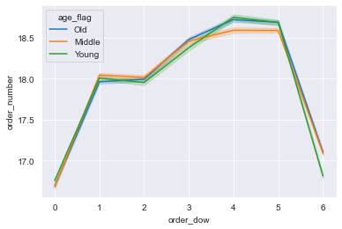
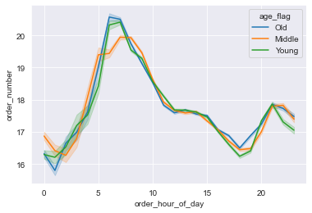
 | However, it appears that ordering habits do not change much
 | based on the age flag. There is a slight deviation with individuals
 | in the "middle" classification: they tend to order more on Sundays
 | less on Thursdays and Fridays. Orders for all three classifications
 | of shoppers drop on Saturdays and Fridays, with "young" people
 | dropping the most on Friday.

 | Curiously, "old" and "young" individuals tend to have the same
 | ordering habits when it comes to what time of day they like to order.
 | Their orders peak around 6AM, whereas "middle"-aged people
 | peak around 8AM.

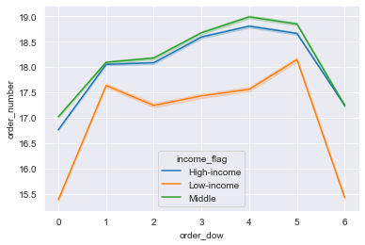
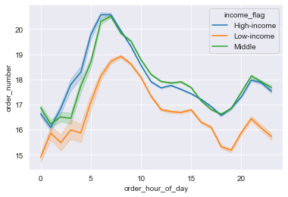
 |  |  |  |  |  | Orders by day of week by income_flag |  |  |  | Orders by hour of day by income_flag
What differences can you find in the ordering habits of different profiles? | In contrast, ordering habits change dramatically based on income
 | levels. Low-income individuals generally have lower orders,
 | but also shop dramatically less frequently on Saturdays and Fridays.
 | While the other groups drop during this time as well, it's
 | much more pronounced in the low-income group.

 | The income profiles show similar behavior in the time of day
 | in which they order, with low-income people peaking slightly
 | later, around 8AM, and high- and middle-income earners peaking
 | around 6AM.

 |  |  |  |  |  | Orders by day of week by vegan_flag |  |  |  | Orders by hour of day by vegan_flag
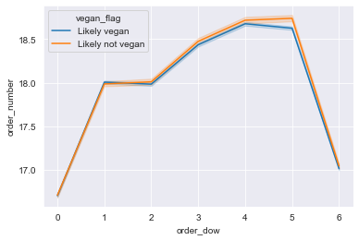
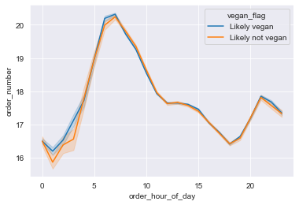
 | Individuals who only buy non-meat products, who we are calling here
 | "likely vegans" don't seem to have a very different buying pattern
 | with their orders only dropping slightly on Thursdays as compared
 | to the "likely not vegan" group.

 | "Likely vegans" also did not show much difference in their buying
 | behavior by time of day.

 |  |  |  |  |  | Orders by day of week by loyalty_flag |  |  |  | Orders by hour of day by loyalty_flag
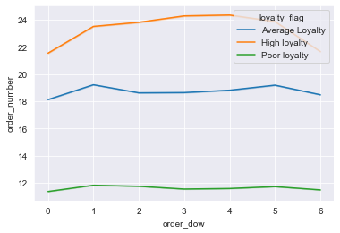
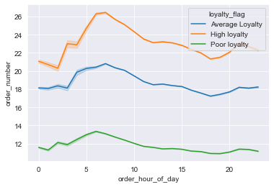
 | Loyalty members naturally have a higher amount of orders -- such
 | is the nature of being a loyal member, but the quantity of their orders
 | peaks on Wednesdays, as compared to "average" members, whose orders
 | peak on Sunday and Thursday. Shoppers of lower loyalty
 | to the brand peak on Sundays as well.

 | The time at which our most loyal shoppers purchase tends to mirror
 | the general population, but we also see an uptick in orders that is more
 | pronouced late at night as compared to the other classifications.

What different classifications does the demographic information suggest? | The demographic information suggests that we can classify our customers based on their loyalty to the brand, their economic status, and age.
 | Weakness in regional differences mean that we should focus our efforts on these classifications.

1. Schedule more advertisements on Fridays and Saturdays, the days with the most opportunity. Most orders are occurring on Thursdays and
Fridays, so the impact of additional advertising on those days will be negligible.
2. Prices tend to spike early in the morning, suggesting that people are more willing to spend during these hours. Advertisements during this period may be more effective in generating add-on sales. Conversely, I recommend holding advertisements during the 10-11AM hour, as spending drops during this time.
3. Customers tend to return to shop with Instacart every 10 days. Efforts should be made to decrease this number. Institute a loyalty program and encourage the "average loyalty" customers to sign up. We know that loyal customers tend to buy more items, but do not spend more money. Offer an incentive to increase average spend.
4. Efforts to identify spending habit differences between different regions revealed no significant difference. Focus advertising and promotional efforts on a national basis.
5. "Middle"-aged individuals tend to order less than their "young" and "old" counterparts during the hours and days where orders spike for those two groups, suggesting that the advertising strategy for the "middle" group is not as effective as the one we are using for the other two classifications. Consider reviewing current marketing efforts for this group and retune to capture additional unit sales.
6. Low-income individuals tend to order less during a time (12 AM) when orders spike for the other two economic classifications. Consider an advertising strategy to increase orders from this group.
7. A plurality of our customers is older and high-income. We have less shoppers from lower-income individuals and young individuals. Consider an advertising strategy that will attract more of these customers. In addition, evaluate the current product mix in our stores and ensure that there is a pricing and/or advertising strategy that appeals to more budget-minded consumers.
Recommendations

